SUMMARY
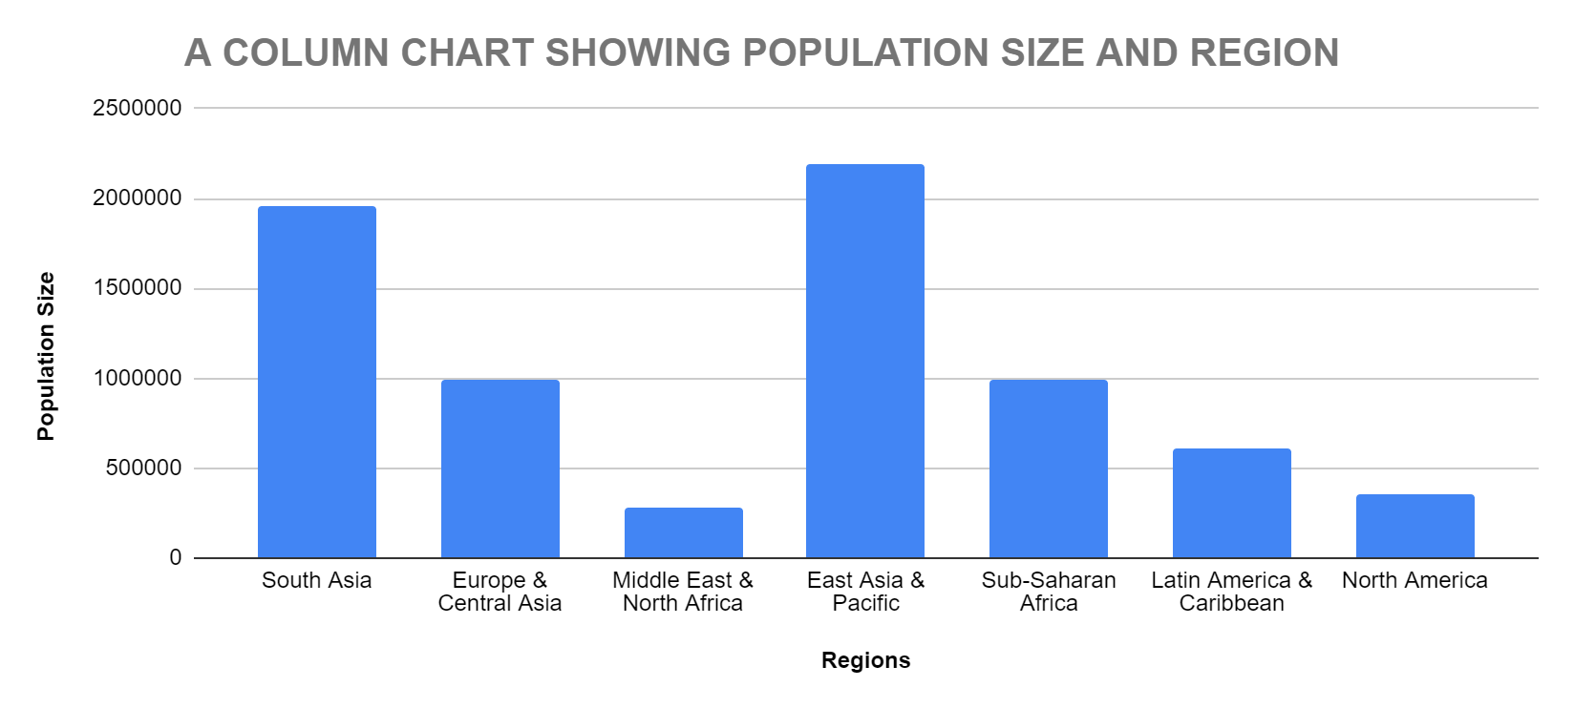
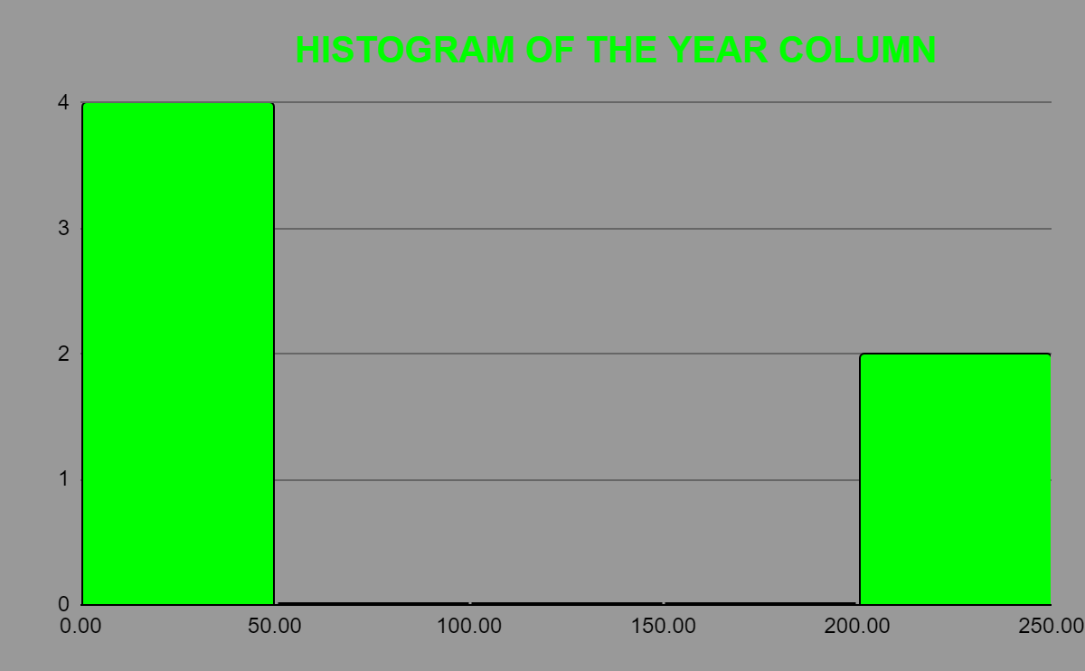

INVESTIGATING ANNUAL RATES OF CHANGE
 | ARC_n | ARC_u | ARC_r
Average | 0.27674414192 | 0.15482340284 | 0.48449369595
Minimum | -1.021788674 | -1.620086812 | -1.22738096
Maximum | 2.750326488 | 2.668211856 | 2.667882638

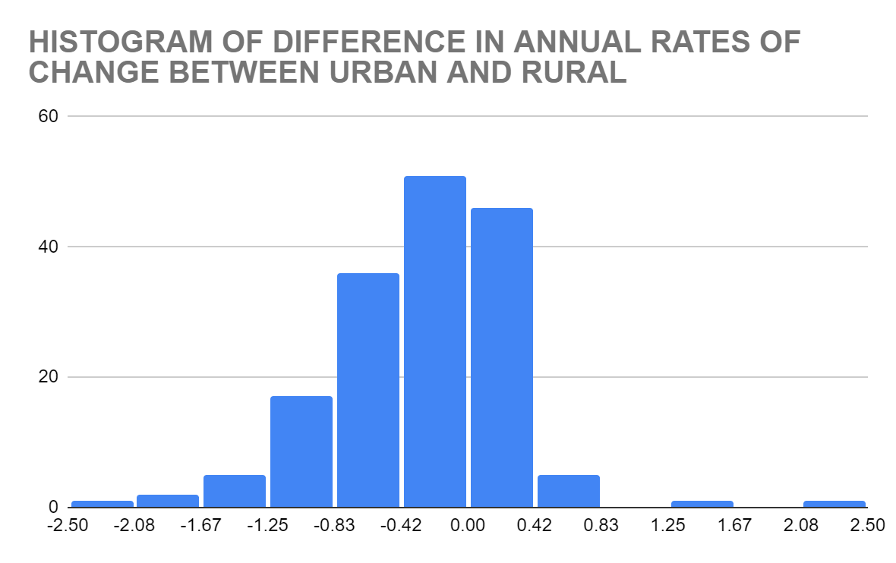

INVESTIGATING ACCESS BY AREA

 |  | National | Urban | Rural
Number of countries that have full access |  | 62 | 55 | 29

Number of countries that have ARC values |  | 16 | 7 | 5
equal to zero that doesnʼt already have full access
Number of countries where ARC < 0 and |  | 16 | 26 | 17
doesnʼt have full access
Number of countries where ARC > 0 and |  | 133 | 91 | 114
doesnʼt have full access

INVESTIGATING ACCESS BY REGION

Region | COUNT of name | AVERAGE of ARC_n | AVERAGE of ARC_u | AVERAGE of ARC_r
 | 231 | #DIV/0! | #DIV/0! | #DIV/0!
East Asia & Pacific | 40 | 0.27843490219 | 0.23295792119 | 0.50779480175
Europe & Central Asia | 64 | 0.1116857807 | 0.046995216415 | 0.22440970833
Latin America & Caribbean | 48 | 0.14442485349 | 0.071521594483 | 0.68031449696
Middle East & North Africa | 10 | 0.3455630234 | 0.123978045 | 0.736987229
North America | 5 | 0.0171583956 | 0.0020331735 | 0.14233131
South Asia | 11 | 0.48023040018 | 0.26548867309 | 0.55914462673
Sub-Saharan Africa | 53 | 0.55828082075 | 0.2703666709 | 0.6042159222
Grand Total | 462 | 0.27674414192 | 0.15482340284 | 0.48449369595

Relationship between the National and Rural Annual Rates of Change
 | ARC_r
2.750326488 | 2.667882638
 | 0
0.334742698 | 0.69281669
 | 0
0.205553686 | 0.33696621
 | 0
0.030933702 | 0
 | 0
1.23E-06 | 0
 | 0
0.570161854 | 0.218771442
 | 0
0 | 0
 | 0
0 | 0
 | 0
null | 0
 | 0
0.083722798 | 0.189044146
 | 0
0 | 0
 | 0
-3.877E-05 | 0
 | 0
0 | 0
 | 0
0.72461243 | 1.356516936
 | 0
0 | 0
 | 0
0 | 0
 | 0
0.119271556 | 0.221445296
 | 0
0.008001136 | 0
 | 0
0.011531798 | 0.046690142
 | 0
-2.5E-07 | 0
 | 0
0.24527193 | 0.468275104
 | 0
0.125460138 | 0.253583104
 | 0
0 | 0
 | 0
0.218360008 | 0.31336614
 | 0
0.585586124 | 1.239292526
 | 0
...

